Exe_SC_05 TC_01 to SC_05 TC_05
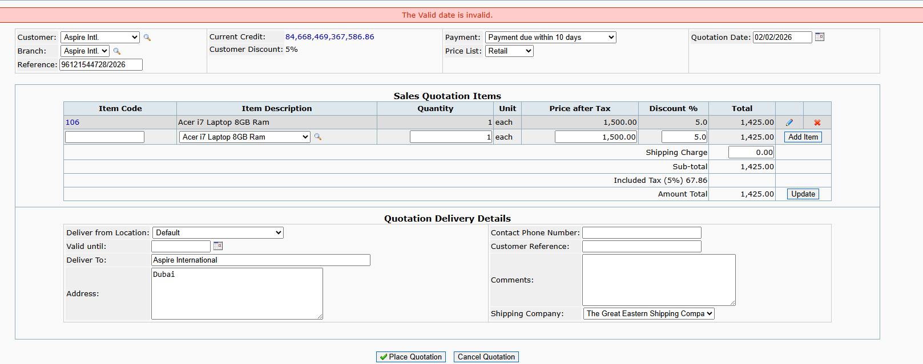
SC_05 TC_01 to SC_05 TC_05
 | SC_05 TC_01 To test or verify Delivery details are accepted when Address is kept blank

 | SC_05 TC_01 To test or verify Delivery details are accepted when Address entered is valid

 | SC_05 TC_03 To test or verify Delivery details are accepted when valid upto date selected is future date

 | SC_05 TC_04 To test or verify Delivery details are accepted when valid upto date selected is Past date

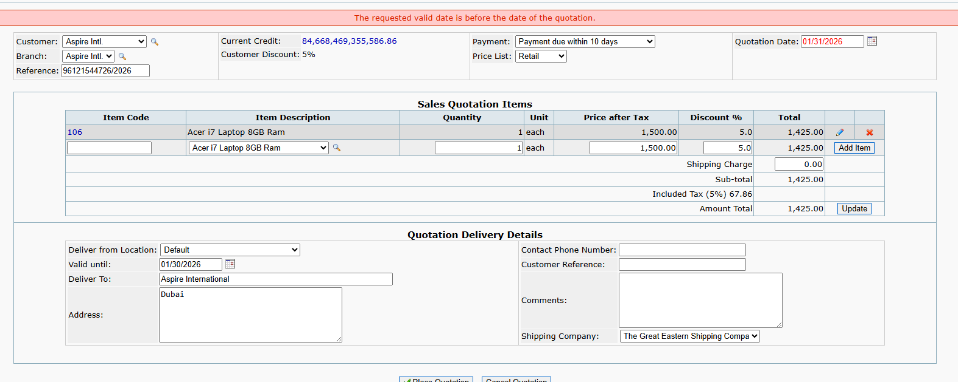

 | SC_05 TC_05 To test or verify Delivery details are accepted when valid upto date selected is Blank

Exe_SC_05 TC_06
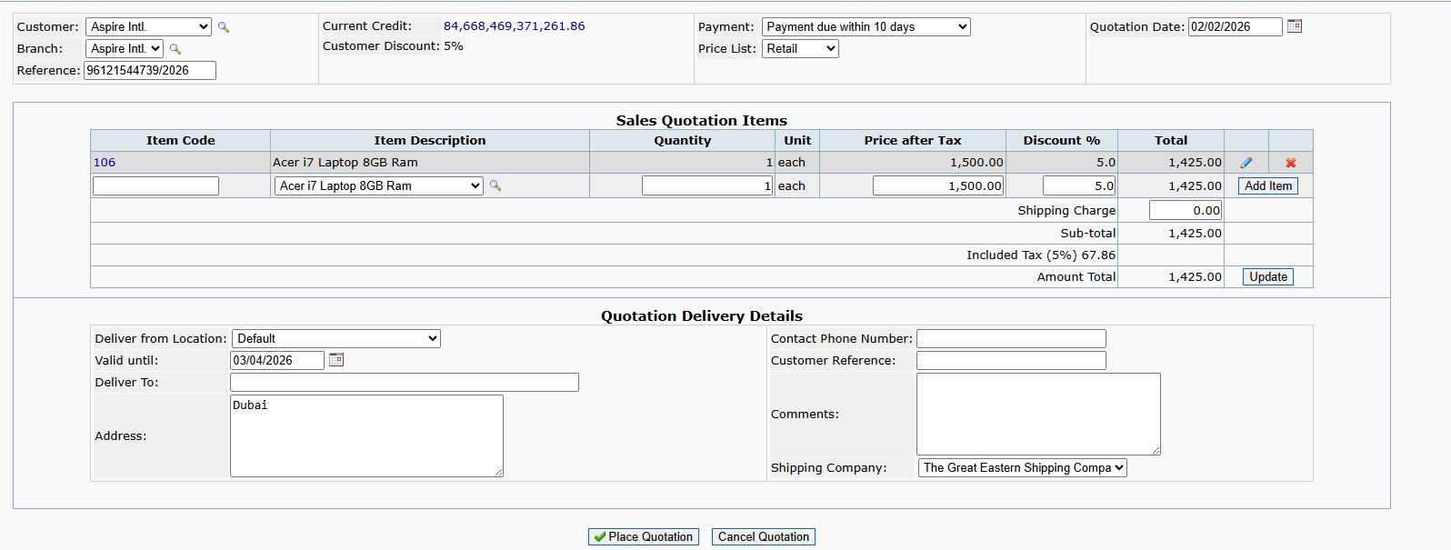
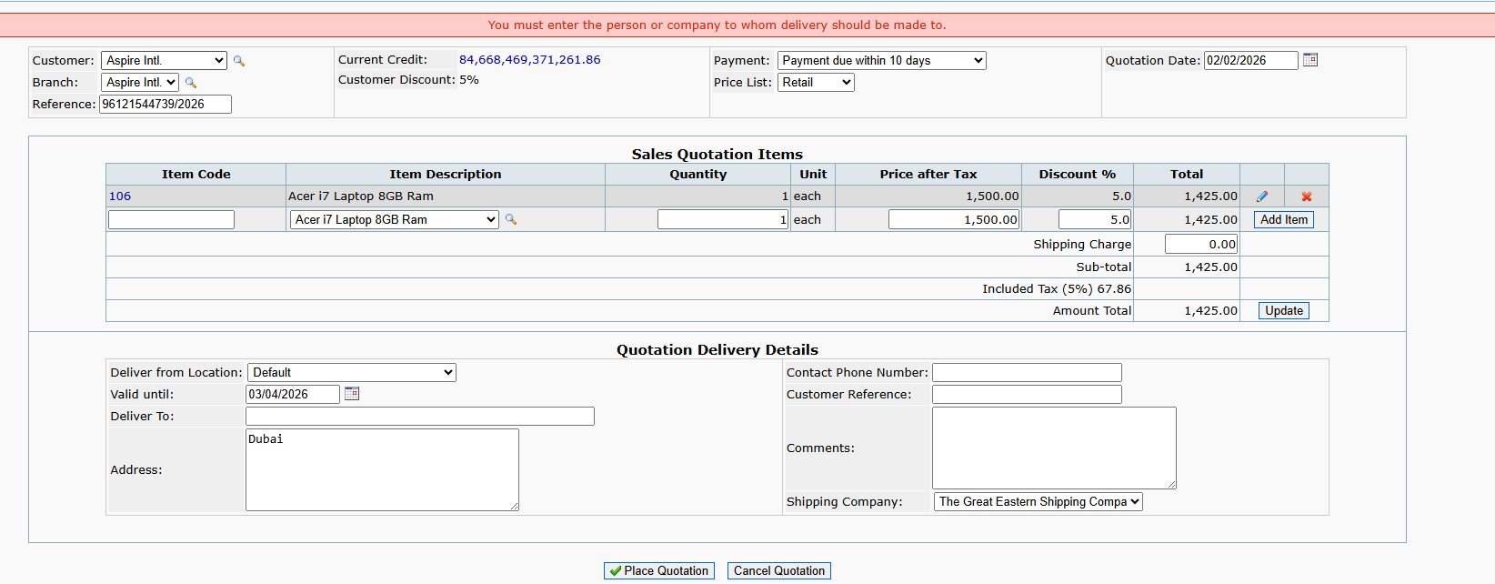
SC_05 TC_06
 | SC_05 TC_06 To test or verify Delivery details are accepted when Deliver to field is blank

Exe_SC_06 TC_01 to SC_06 TC_05
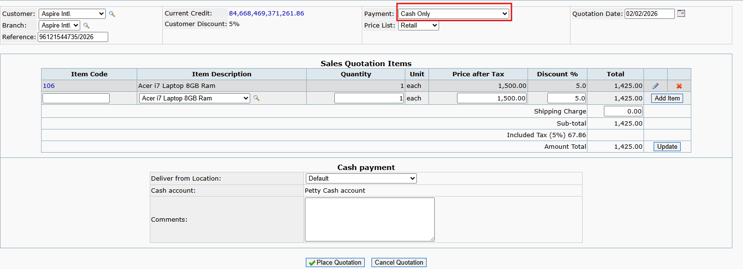
SC_06 TC_01 to SC_06 TC_05
 | SC_06 TC_01 To test or verify sales quotation gets placed when quotation date is selected future date

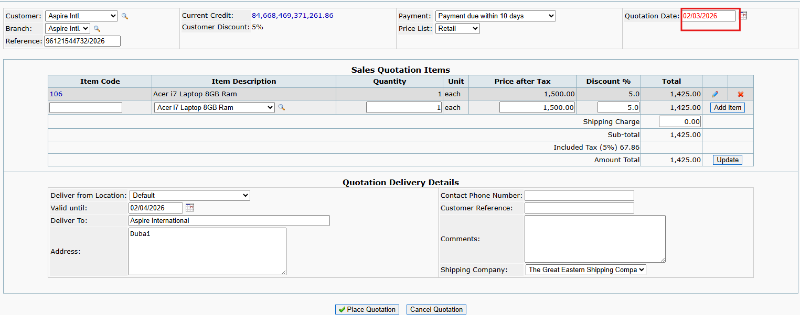

 | SC_06 TC_02 To test or verify sales quotation gets placed when quotation date is selected past date

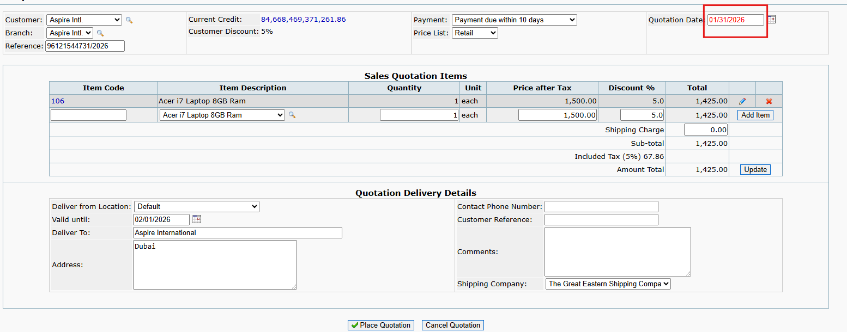

 | SC_06 TC_03 To test or verify sales quotation gets placed when Price List is selected as Retail

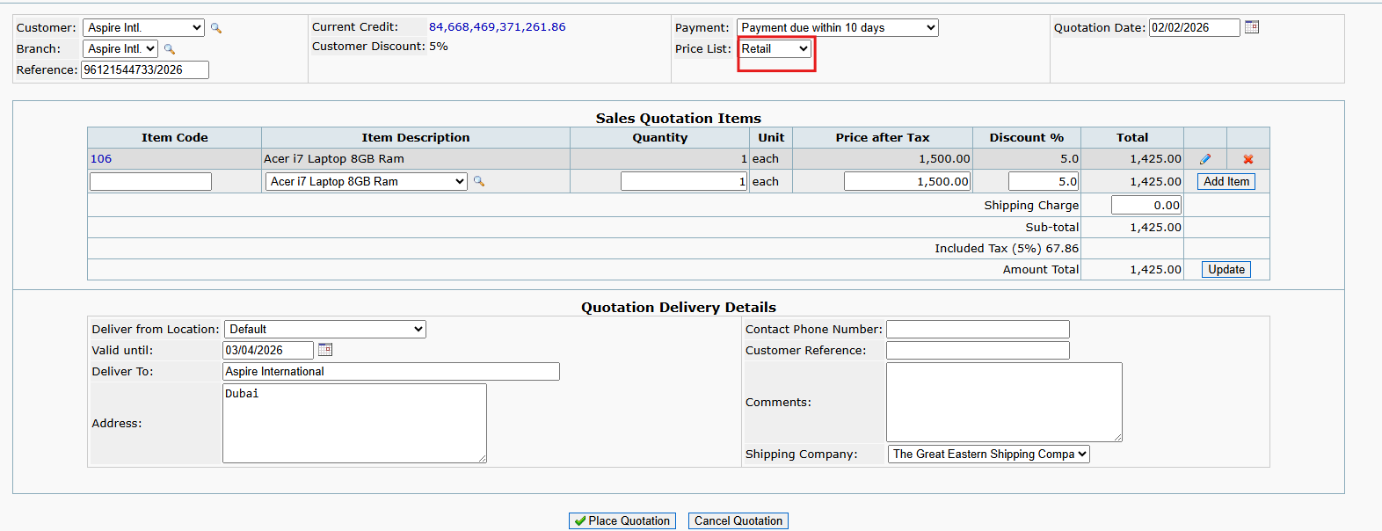

 | SC_06 TC_04 To test or verify sales quotation gets placed when Price List is selected as Wholesale

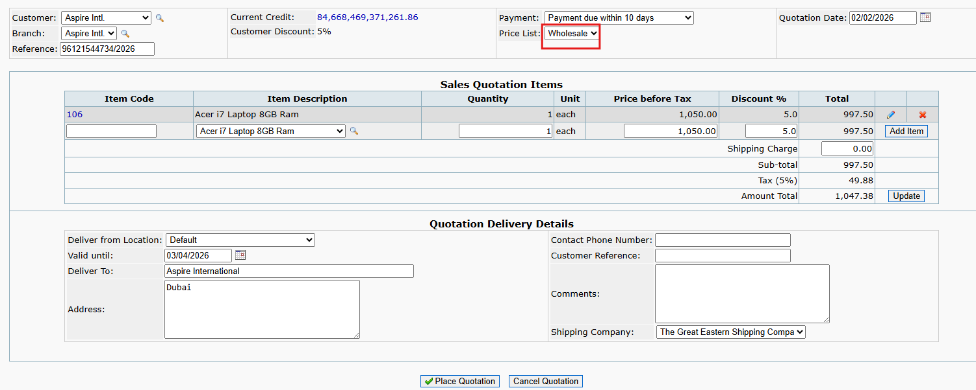

 | SC_06 TC_05 To test or verify sales quotation gets placed when Payment is selected as Cash

Exe_SC_06 TC_06 to SC_06 TC_09
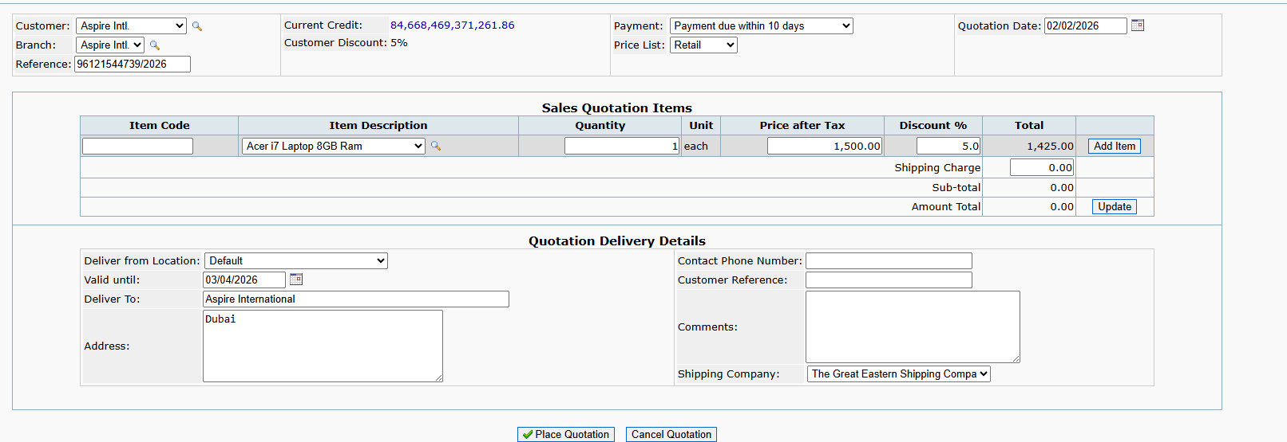
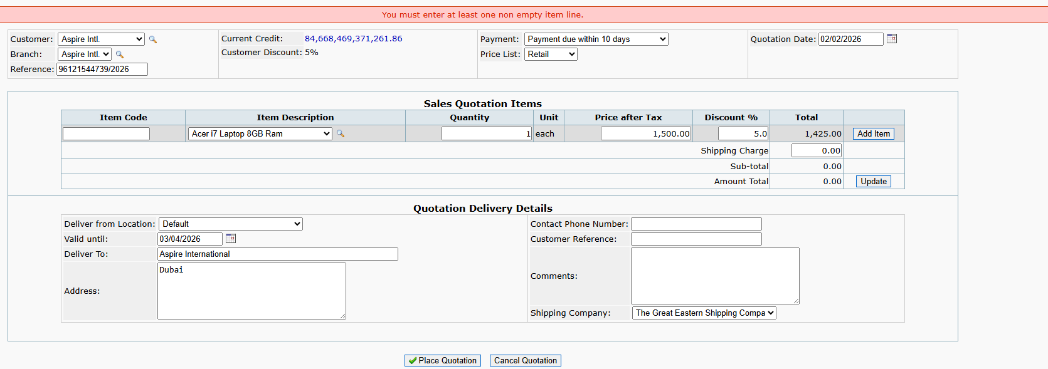
SC_06 TC_06 to SC_06 TC_09
 | SC_06 TC_06 To test or verify sales quotation gets placed when Payment is selected as "Due 15th of Following Month"

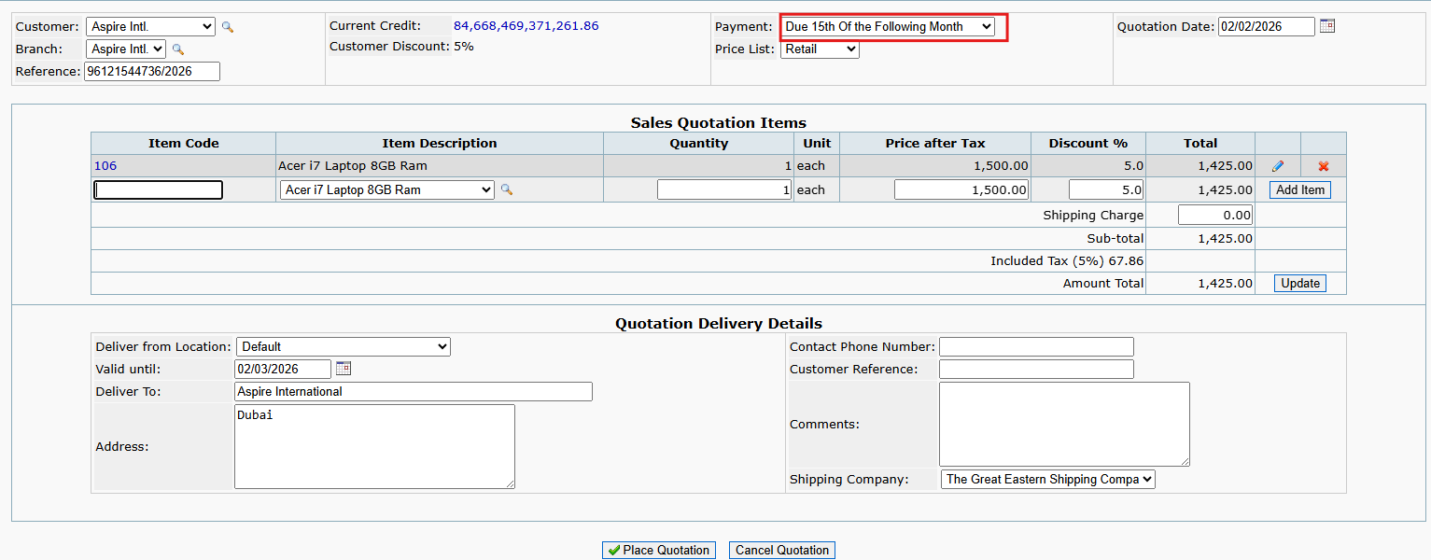

 | SC_06 TC_07 To test or verify sales quotation gets placed when Payment is selected as "Payment Due within 10 days"



 | SC_06 TC_08 To test or verify sales quotation gets placed when Payment is selected as "Due by End of Following Month"



 | SC_06 TC_09 To test or verify sales quotation gets placed when item is not added

Exe_SC_07 TC_01 to SC_07 TC_05
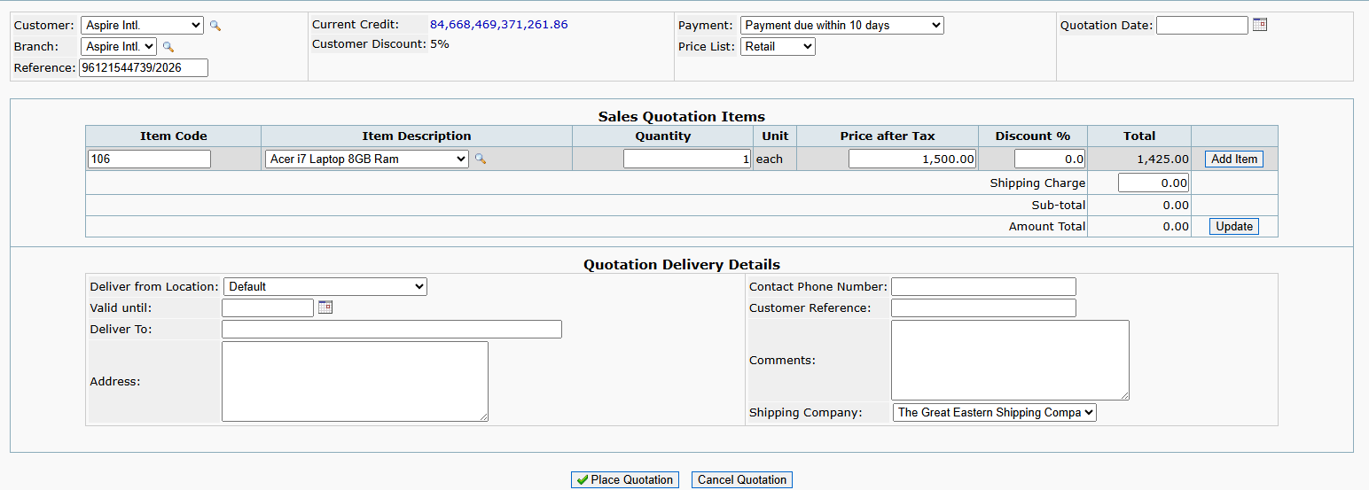
SC_07 TC_01 to SC_07 TC_05
 | SC_07 TC_01 To test or verify sales quotation gets cancelled when item is not added

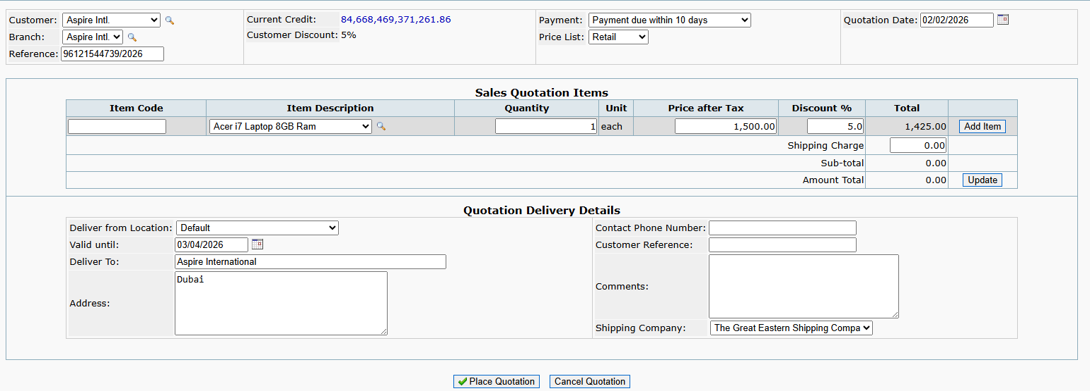

 | SC_07 TC_02 To test or verify quotation gets cancelled when Cancel Quotation button is clicked with valid data

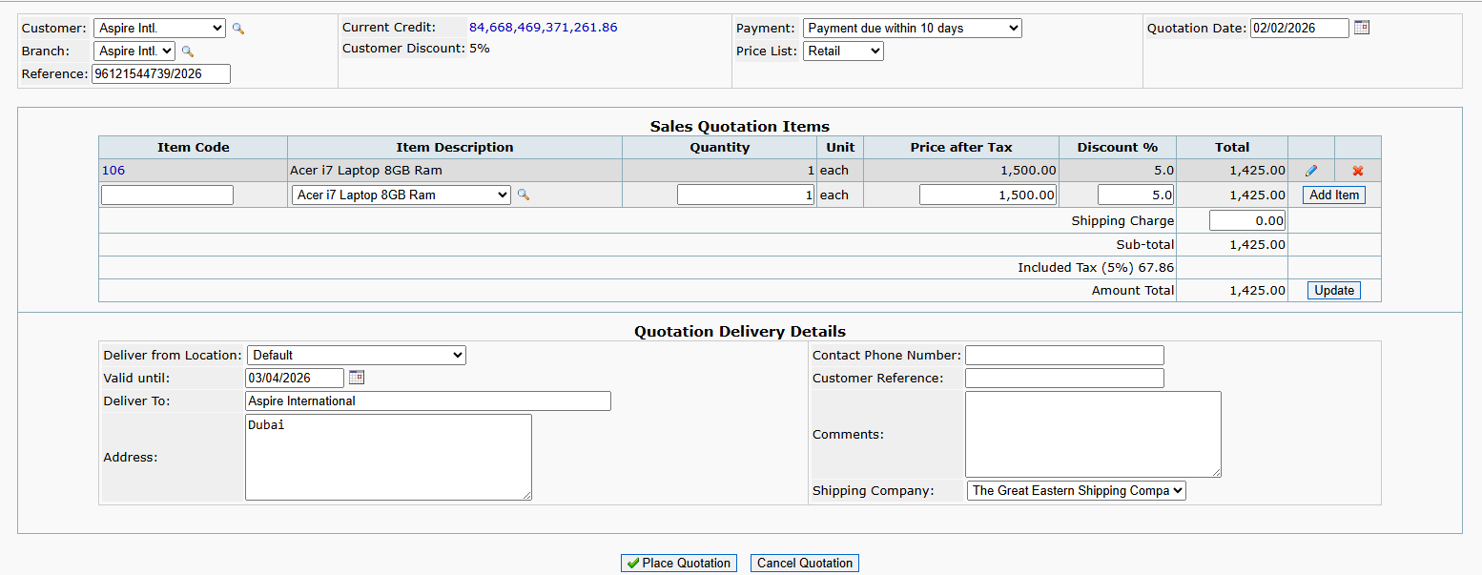

 | SC_07 TC_03 To test or verify quotation gets cancelled when Cancel Quotation button is clicked with invalid data

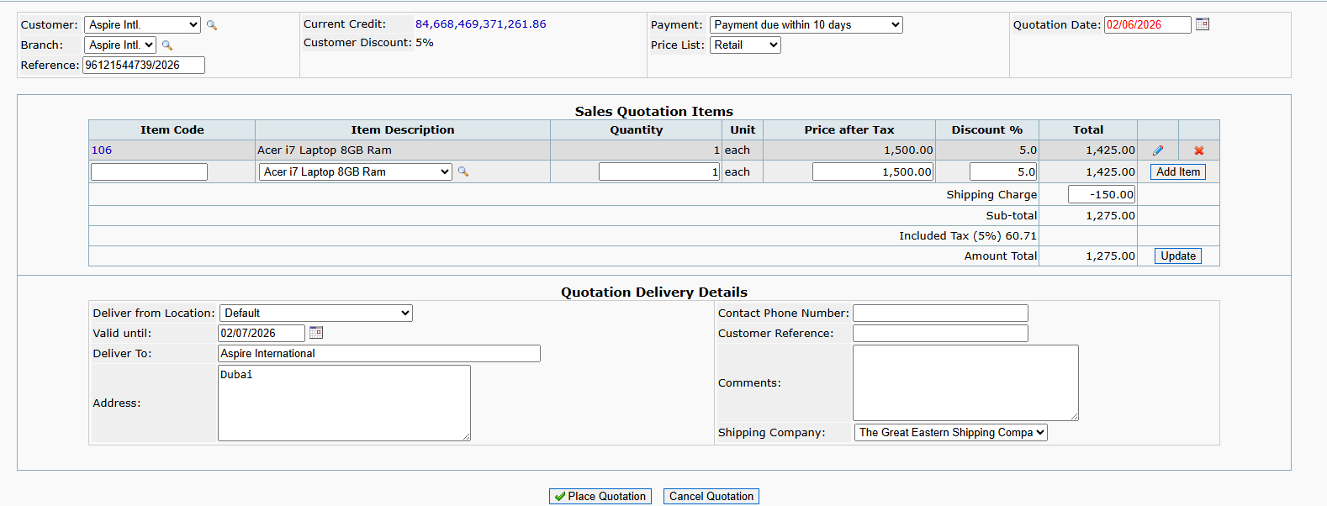

 | SC_07 TC_04 To test or verify quotation gets cancelled when Cancel Quotation button is clicked with blank fields

Exe_SC_12 TC_01 to SC_12 TC_02

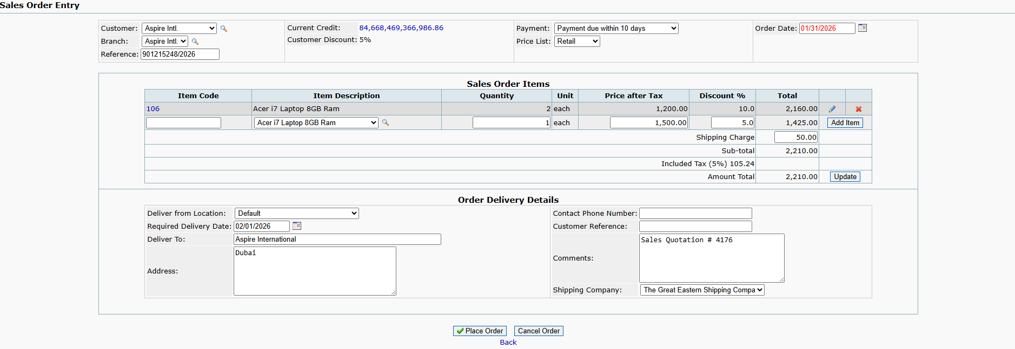
SC_12 TC_01 to SC_12 TC_02
 | SC_12 TC_01 To test or verify sales order gets placed when all items are deleted

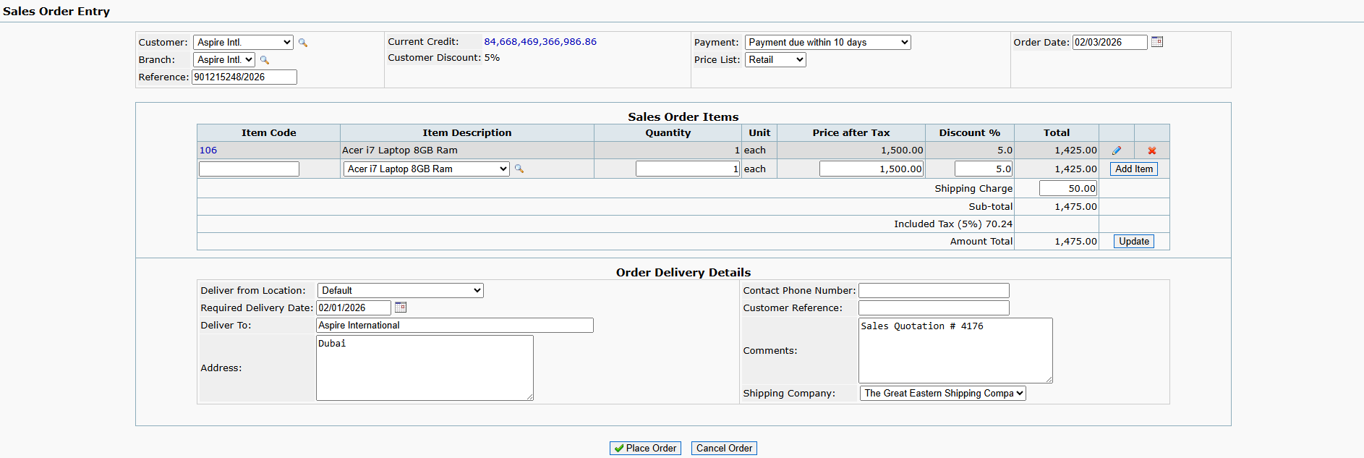

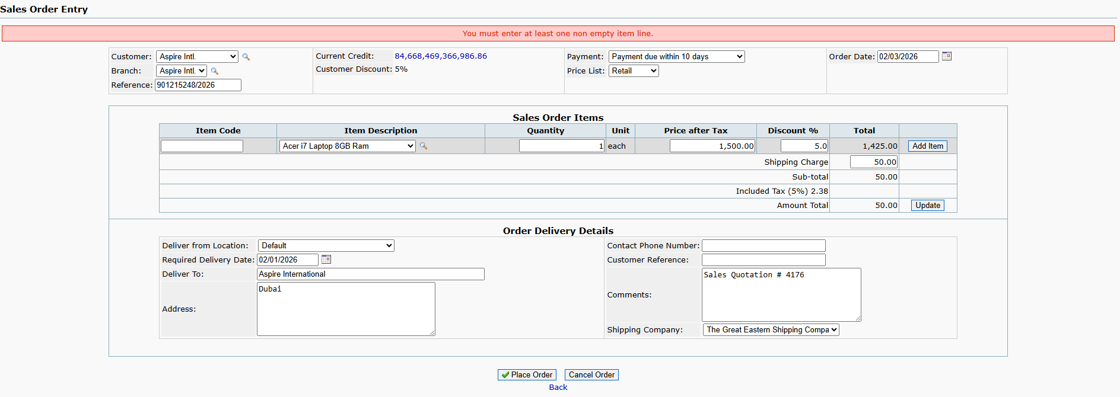

 | SC_12 TC_02 To test or verify sales order gets placed when item details are edited

Exe_SC_13 TC_01 to SC_13 TC_02
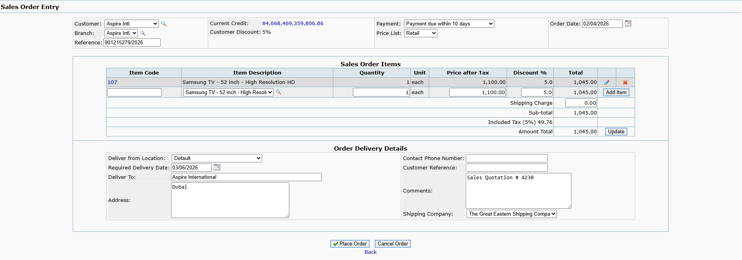
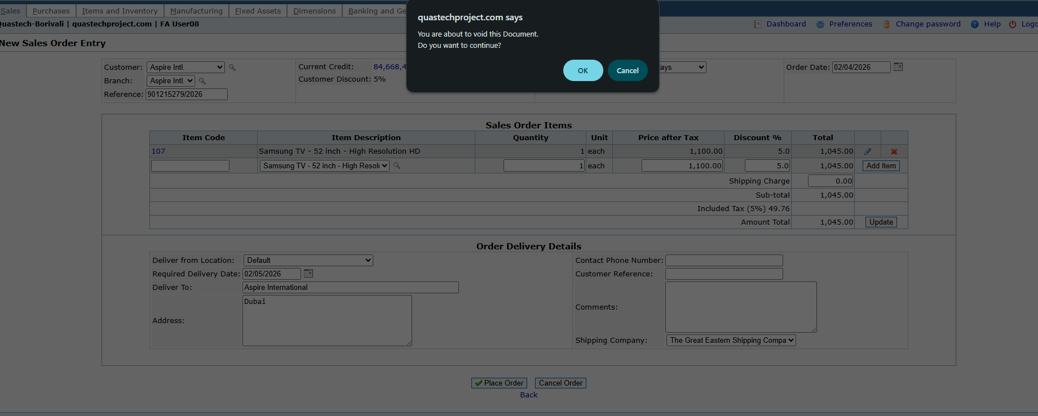
SC_13 TC_01 to SC_13 TC_02
 | SC_14 TC_01 To test or verify sales order gets cancelled when item is not added

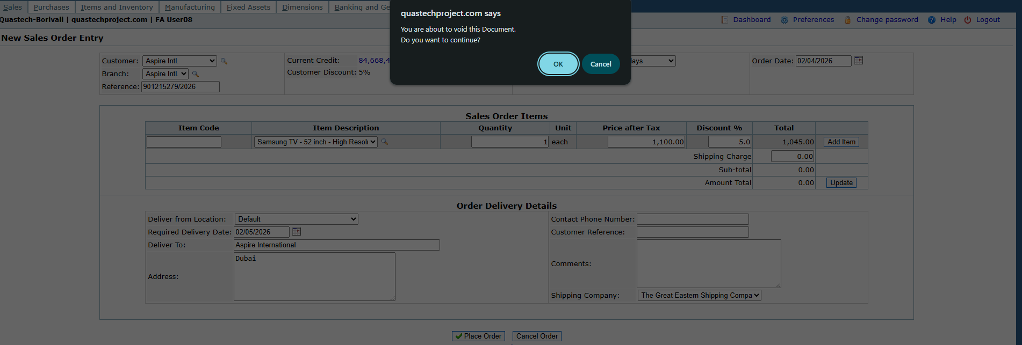

 | SC_14 TC_02 To test or verify sales order gets cancelled when item is added

Exe_SC_15 TC_01 to SC_15 TC_03
SC_15 TC_01 to SC_15 TC_03
 | SC_15 TC_01 To test or verify invoice quantity gets updated when invoice quantity is modified

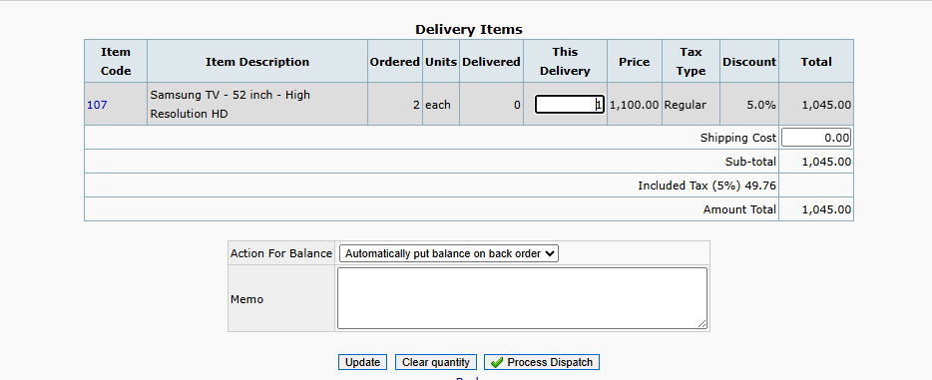

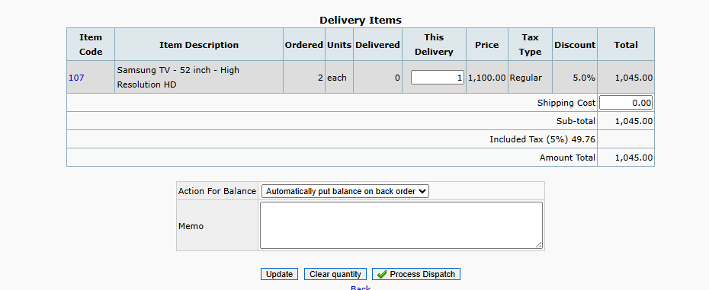

 | SC_15 TC_02 To test or verify invoice quantity gets updated when invoice quantity entered is negative

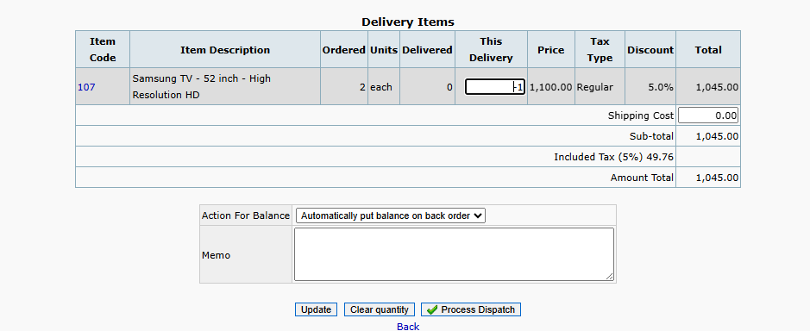

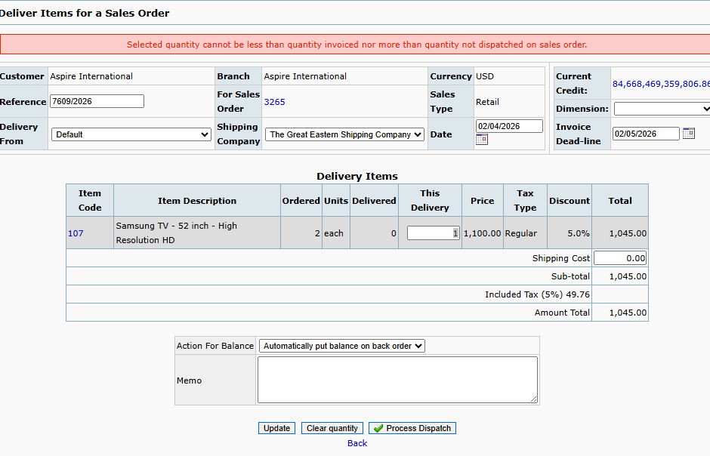

 | SC_15 TC_03 To test or verify shipping charges gets updated when shipping charges enetered is modified.

Exe_SC_18 TC_01 to SC_18 TC_02
SC_18 TC_01 to SC_18 TC_02
 | SC_18 TC_01 To test or verify "Automatically put balance on back order" option

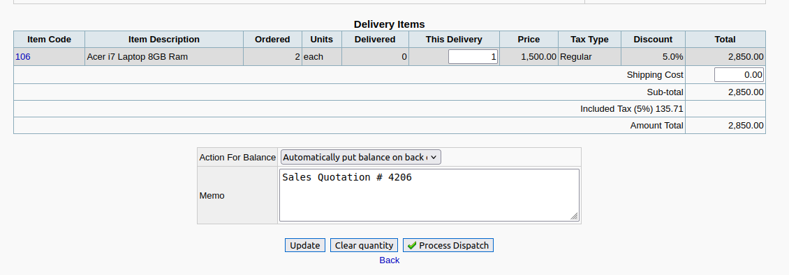

 | SC_18 TC_02 To Test or verify "Cancel any quantities not delivered" option

Exe_SC_33 TC_01 to SC_33 TC_02
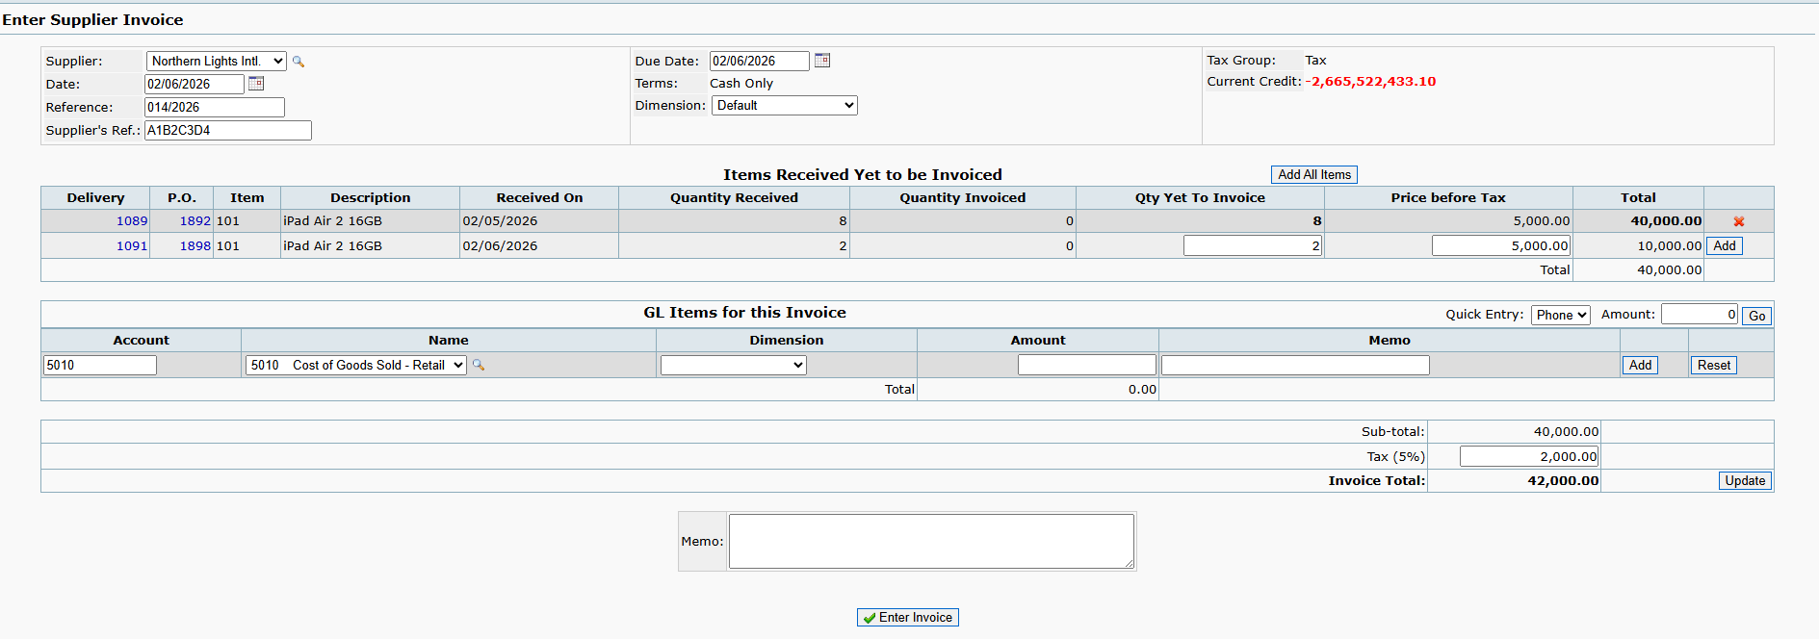
SC_33 TC_01 TO SC_33 TC_02
 | SC_33 TC_01 To test or verify item gets invoiced when Supplier reference is kept blank

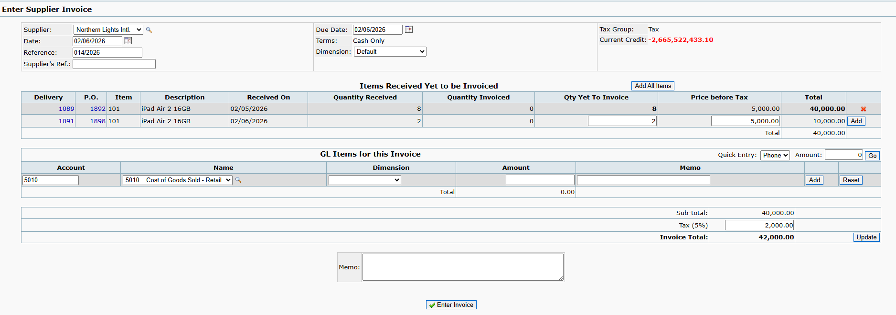

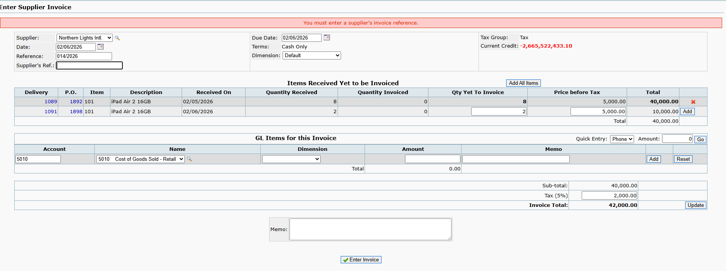

 | SC_33 TC_02 To test or verify item gets invoiced when Supplier reference has valid data

Exe_SC_41 TC_01 to SC_41 TC_02
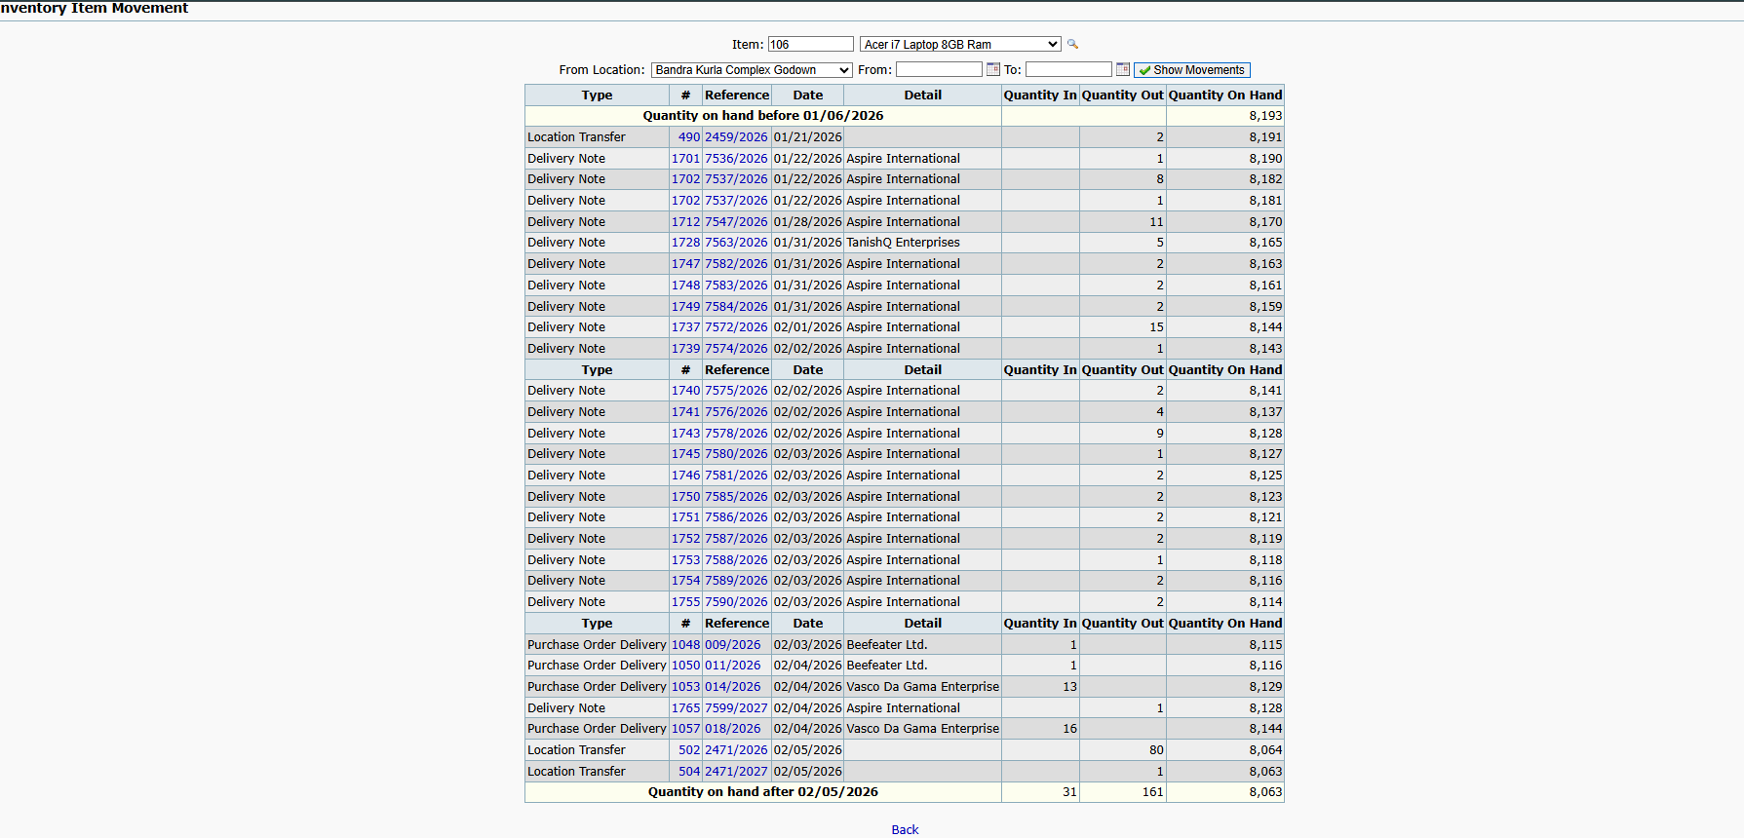
SC_41 TC_01 TO SC_41 TC_02
 | SC_41 TC_01 To test or verify show movement button generate inventory item movement report when Item selected , location and date selected is valid.

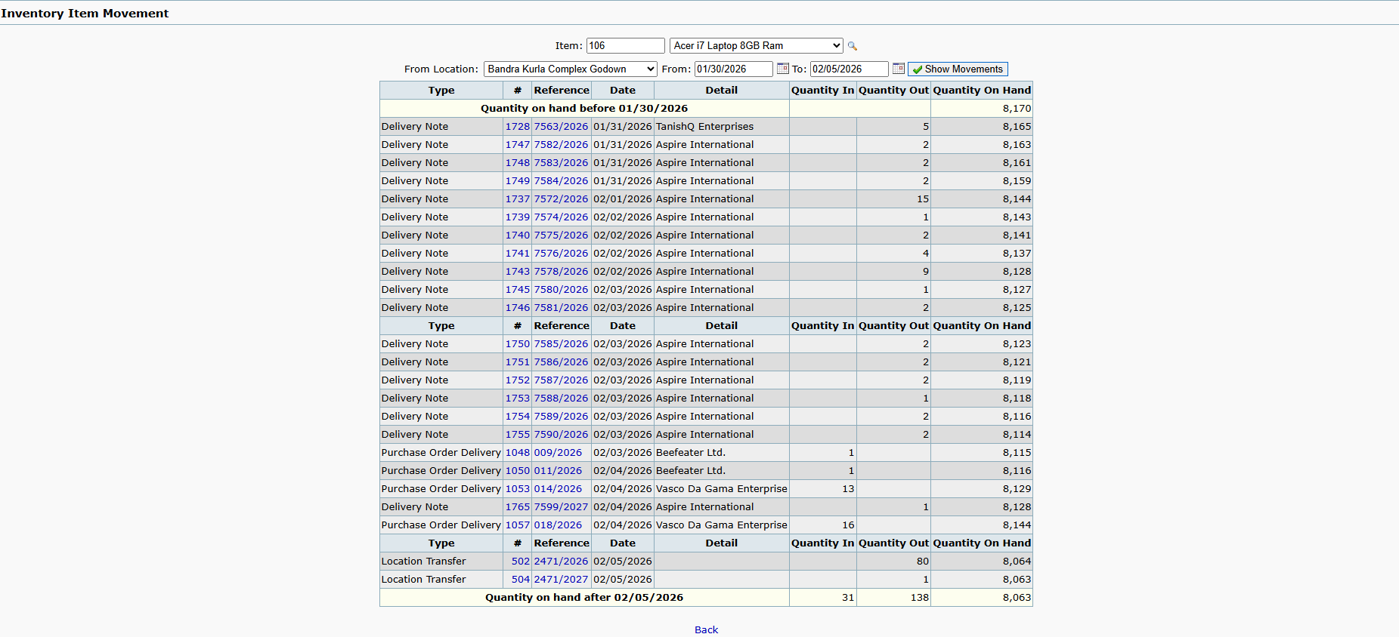

 | SC_41 TC_02 To test or verify show movement button generate inventory item movement report when From-to data range is kept blank.

